AR1
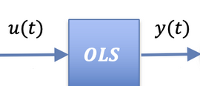
Input | u(k)
Process | y(k) = a*y(k-1) + u(k)

Constants
a | 1.2 | System
y(k) and u(k)
Process
time (k) | u(k) | y(k)
0 | 5 | 0
1 | 5 | 5
2 | 5 | 11
3 | 5 | 18.2
4 | 5 | 26.84
5 | 5 | 37.208
6 | 5 | 49.6496
7 | 5 | 64.57952
8 | 5 | 82.495424
9 | 5 | 103.9945088
10 | 5 | 129.7934106
11 | 5 | 160.7520927
12 | 5 | 197.9025112
13 | 5 | 242.4830134
14 | 5 | 295.9796161
15 | 5 | 360.1755394
16 | 5 | 437.2106472 | 3
17 | 5 | 529.6527767
18 | 5 | 640.583332
19 | 5 | 773.6999984
20 | 5 | 933.4399981

P control + filter
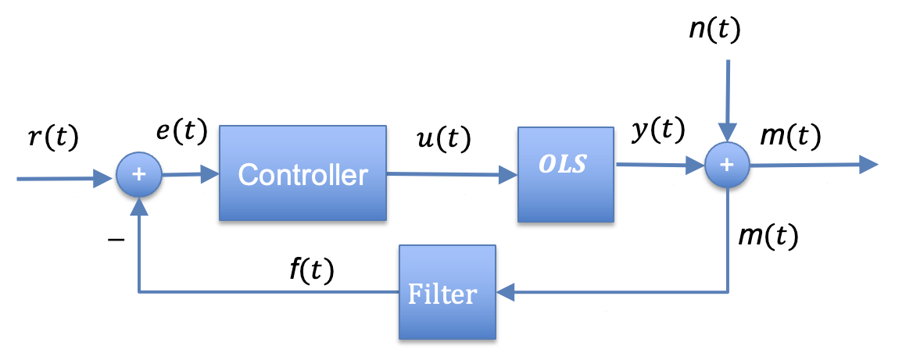
Signals
Refeence: r(k) | 8.5
Control error: e(k) | r(k)-m(k-1)
Control input: u(k) | kP*e(k) + u0
Process output: y(k) | a*y(k-1) + u(k)
Noise: n(k) | kN*sin(k)
Filter: f(t) | kF*m(k) + (1- kF)* f(k-1)

Constants
a | 0.5 | System
y(0) | 10 | Initial value
kP | 0.2 | Controller
u0 | 0 | Forced input
kN | 0.2 | Noise
kF | 1 | Filter

Process
k | r(k) | e(k) | u(k) | y(k) | n(k) | m(k) | f(k)
0 | 8.5 | 0 | 0 | 10 | 0 | 10 | 10
1 | 8.5 | -1.5 | -0.3 | 4.7 | 0.02822400161 | 4.728224002 | 4.728224002
2 | 8.5 | 3.771775998 | 0.7543551997 | 3.1043552 | -0.05588309964 | 3.0484721 | 3.0484721
3 | 8.5 | 5.4515279 | 1.09030558 | 2.64248318 | 0.08242369705 | 2.724906877 | 2.724906877
4 | 8.5 | 5.775093123 | 1.155018625 | 2.476260215 | -0.1073145836 | 2.368945631 | 2.368945631
5 | 8.5 | 6.131054369 | 1.226210874 | 2.464340981 | 0.130057568 | 2.594398549 | 2.594398549
6 | 8.5 | 5.905601451 | 1.18112029 | 2.413290781 | -0.1501974494 | 2.263093331 | 2.263093331
7 | 8.5 | 6.236906669 | 1.247381334 | 2.454026724 | 0.1673311277 | 2.621357852 | 2.621357852
8 | 8.5 | 5.878642148 | 1.17572843 | 2.402741792 | -0.1811156724 | 2.221626119 | 2.221626119
9 | 8.5 | 6.278373881 | 1.255674776 | 2.457045672 | 0.1912751857 | 2.648320858 | 2.648320858
10 | 8.5 | 5.851679142 | 1.170335828 | 2.398858664 | -0.1976063248 | 2.20125234 | 2.20125234
11 | 8.5 | 6.29874766 | 1.259749532 | 2.459178864 | 0.199982372 | 2.659161236 | 2.659161236
12 | 8.5 | 5.840838764 | 1.168167753 | 2.397757185 | -0.1983557707 | 2.199401414 | 2.199401414
13 | 8.5 | 6.300598586 | 1.260119717 | 2.45899831 | 0.1927590773 | 2.651757387 | 2.651757387
14 | 8.5 | 5.848242613 | 1.169648523 | 2.399147677 | -0.1833043096 | 2.215843368 | 2.215843368
15 | 8.5 | 6.284156632 | 1.256831326 | 2.456405165 | 0.1701807049 | 2.62658587 | 2.62658587
16 | 8.5 | 5.87341413 | 1.174682826 | 2.402885409 | -0.1536509323 | 2.249234476 | 2.249234476
17 | 8.5 | 6.250765524 | 1.250153105 | 2.451595809 | 0.1340458352 | 2.585641644 | 2.585641644
18 | 8.5 | 5.914358356 | 1.182871671 | 2.408669576 | -0.1117578098 | 2.296911766 | 2.296911766
19 | 8.5 | 6.203088234 | 1.240617647 | 2.444952435 | 0.08723295105 | 2.532185386 | 2.532185386
20 | 8.5 | 5.967814614 | 1.193562923 | 2.41603914 | -0.06096212422 | 2.355077016 | 2.355077016

